M2JEA0040_MemberList
Project Name |  |  |  |  | Magento Extension |  |  |  |  |  |  | Process | Basic Design |  | Author | TTV-Tri | Created Date | 2016-10-10
System Name |  |  |  |  | Account Withdrawal Extension |  |  |  |  |  |  | Sub System Name | 0 |  | Updater | TTV-Tri | Updated Date | 2016-10-20
Product name |  |  |  |  | Screen Structure |  |  |  |  |  |  |  |  |  | Section | M2JEA0040

Screen Layout

 | １．Screen Layout

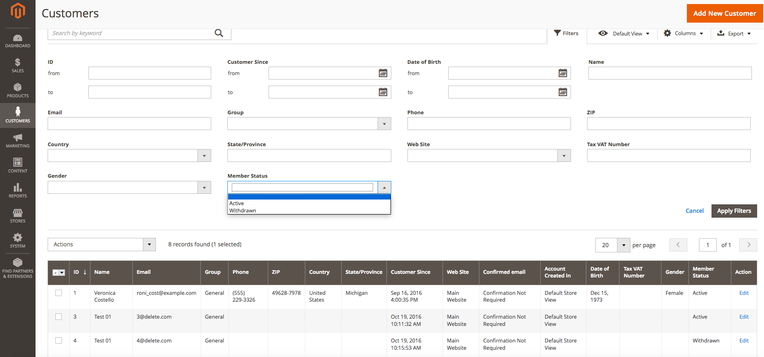

１

2

Functional Overview

 | ２．Functional overview

 |  | ・This Screen to use for the administrator
 |  | ・The administrator can search the list member include ( active member and withdrawn member)
 |  | ・Add pulldown「Member Status」to Filter.
 |  | ・Add column 「Member Status」 on the result table.
 | ３．Action

 |  | ３-１．Screen Display
 |  |  | ・This Screen Exist in magento 2.1, implement follow the rule of magenta 2.1

 |  | ３-２．Process Filter by Member Status

 |  |  |  | Member Status |  |  | del_flg
 |  |  |  | Active |  |  | 0
 |  |  |  | Withdrawn |  |  | 1

 |  |  | ・Base on the value of Pulldown 「Member Status」, Display list customer corresponding
 |  |  | ・Click href「Edit」, Go to Edit page 「M2JEA0041」

 | ４．The main common definition to be used

Screen item definition

 | ５．Screen input and output fields

 | No. | Item Name |  |  |  | I/O style |  | I/O | Length |  | Initial display | Display conditions |  | Display output formats | Description
 | 1 | Member Status |  |  |  | Pulldown |  | I/O |  | 1 | Blank | - |  | -
 | 2 | Edit |  |  |  | Text |  | O |  | - |  | - |  | - | Refer 3.Action

 | ６．Input check definition
 |  | None

M2JEA0041_Member Edit
Project Name |  |  |  |  |  | Magento Extension |  |  |  |  |  |  |  |  |  | Process |  | Basic Design |  | Author |  | TTV-Thong | Created Date | 2016-10-07
System Name |  |  |  |  |  | Account Withdrawal Extension |  |  |  |  |  |  |  |  |  | Sub System Name |  | 0 |  | Updater |  | TTV-Tri | Updated Date | 2016-10-27
Product name |  |  |  |  |  | Screen Structure |  |  |  |  |  |  |  |  |  |  |  |  |  | Section |  | M2JEA0041

Screen Layout

 | 1. Screen Layout

1
1
 |  | １-１．Initial Display
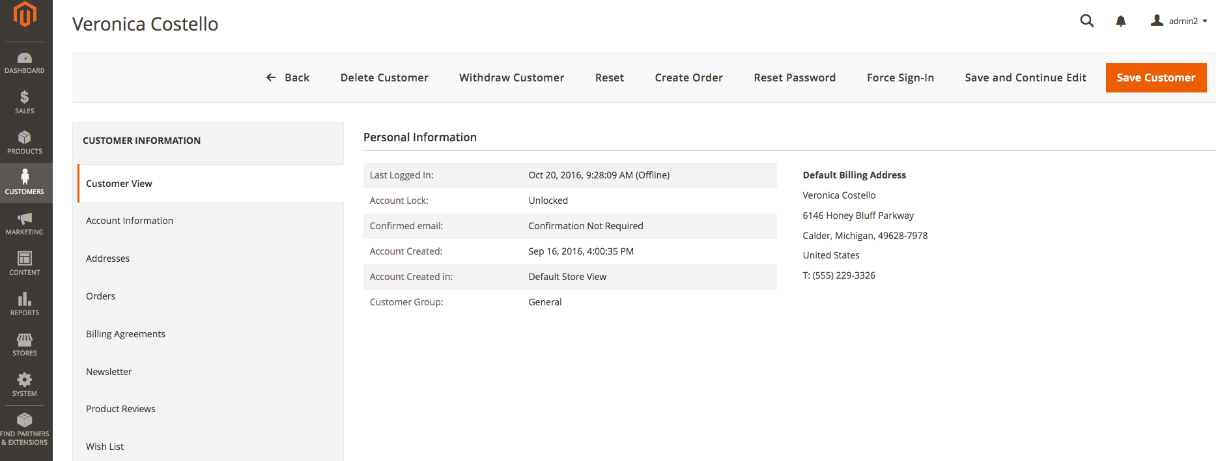

Confirm

To complete withdrawal your account, please click on the link we’ve just sent on your e-mail.

2
1

 |  | １- 2. Error Message

3
1

 |  | １- 3. Success Message

 |  | １ - 4．After Withdrawal ( some button as Withdraw Customer, Create Order, Reset Password, Force Sign-in, Reset, Save and Continue, Save Customer will be disspear)

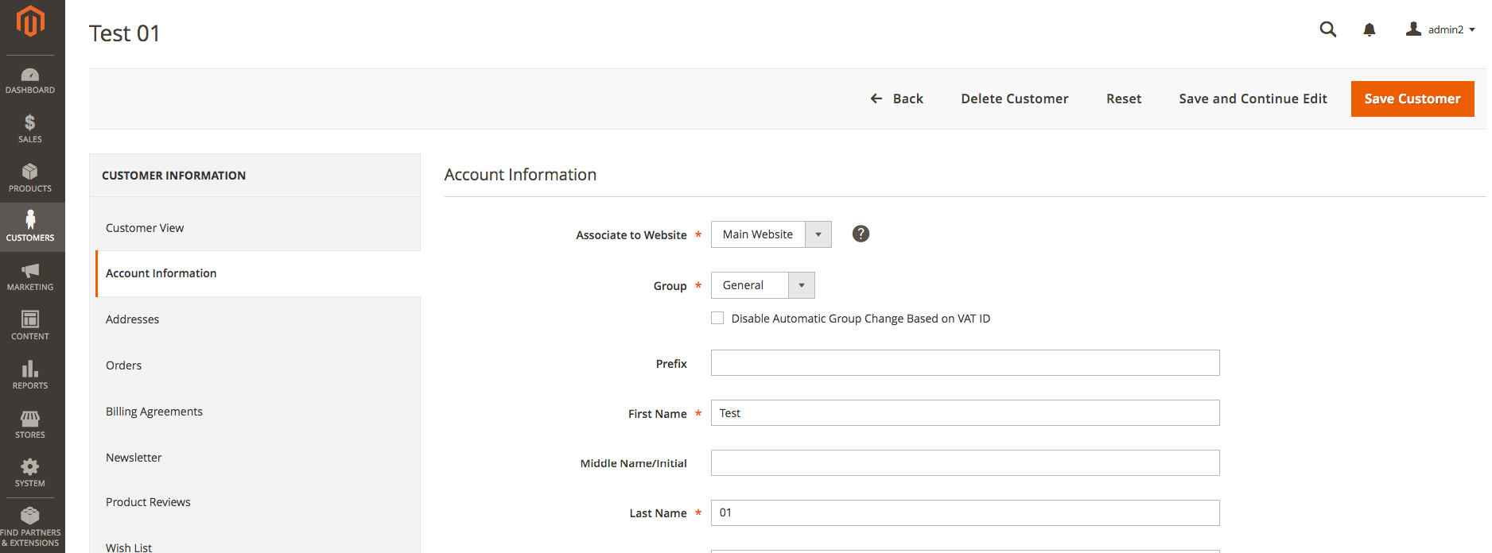

update 2016/27/10
remove these button

Functional Overview

 | ２．Function Overview

 |  | ・Screen display to confirm withdrawal proccess

 | ３．Action

 |  | ３- 1．Click button 「Withdraw Customer」
 |  |  | Display popup bellow:

 |  |  | ・Click 「Cancel」: popup disspear and nothing to do.
 |  |  | ・Click 「OK」: process withdraw

 |  |  |  | ・To make sure that the account don’t have any order are processing. If exist at least an order of this account is processing, display error message in 「The entire error message」
Customer could not be withdraw, please check order status.

 |  |  | To check order status refer sheet 「4.Order Status」in Document 20_TEAM\20_BasicDesign\Common Design\【Magento Extension】Common Design.xlsx

 |  |  | ・If the condition above are satisfy:

 |  |  |  | ・Backup customer data

 |  |  |  |  | table |  |  |  | column |  |  |  |  |  | Update data
 |  |  |  |  | customer_entity |  |  |  | email |  |  |  |  |  | entity_id + "@example.jp"
 |  |  |  |  |  |  |  |  | （Where)
remove this logic
2016/10/24
 |  |  |  |  |  |  |  |  | entity_id |  |  |  |  |  | enity_id of customer (get from magento admin)
 |  |  |  |  | customer_entity_varchar |  |  |  | value |  |  |  |  |  | email of customer
 |  |  |  |  |  |  |  |  | （Where)
 |  |  |  |  |  |  |  |  | entity_id |  |  |  |  |  | enity_id of customer (get from magento admin)
 |  |  |  |  |  |  |  |  | attribute_id |  |  |  |  |  | attribute_id of attribute_code = "backup_email"
 |  |  |  |  | customer_entity_datetime |  |  |  | value |  |  |  |  |  | current date
 |  |  |  |  |  |  |  |  | （Where)
 |  |  |  |  |  |  |  |  | entity_id |  |  |  |  |  | enity_id of customer
 |  |  |  |  |  |  |  |  | attribute_id |  |  |  |  |  | attribute_id of attribute_code = "withdraw_date"

 |  |  |  | ・Mask personal information of customer
 |  |  |  | notes: if the value of the field is empty, keep this value.

 |  |  |  | table |  |  |  | column |  |  |  |  |  | Update data
 |  |  |  | customer_entity |  |  |  | firstname |  |  |  |  |  | the first character of firstname + "XXXX"
 |  |  |  |  |  |  |  | middlename |  |  |  |  |  | the first character of middlename + "XXXX"
 |  |  |  |  |  |  |  | lastname |  |  |  |  |  | the first character of lastname + "XXXX"
 |  |  |  |  |  |  |  | （Where)
 |  |  |  |  |  |  |  | entity_id |  |  |  |  |  | enity_id of customer

 |  |  |  | table |  |  |  | column |  |  |  |  |  | Update data
 |  |  |  | customer_address_entity |  |  |  | firstname |  |  |  |  |  | the first character of firstname + "XXXX"
 |  |  |  |  |  |  |  | middlename |  |  |  |  |  | the first character of middlename + "XXXX"
 |  |  |  |  |  |  |  | lastname |  |  |  |  |  | the first character of lastname + "XXXX"
remove this logic.
do not need to mask field "company"
 |  |  |  |  |  |  |  | fax |  |  |  |  |  | get the first 5 characters of fax
 |  |  |  |  |  |  |  | telephone |  |  |  |  |  | get the first 5 characters of telephone
 |  |  |  |  |  |  |  | street |  |  |  |  |  | the first character of street + "XXXX"
 |  |  |  |  |  |  |  | company |  |  |  |  |  | the first character of company + "XXXX"
 |  |  |  |  |  |  |  | （Where)
 |  |  |  |  |  |  |  | entity_id |  |  |  |  |  | enity_id of customer

 |  |  |  | ・Please implement if this customer is logging in front end, process loggout this customer.
 |  |  |  | ・Remove Newsletter Subscriber of this customer
 |  |  |  | ・Send email to inform customer after withdrawal successful (refer sheet Email_Template_Withdrawal in file 【Account Withdrawal Extension】Screen Structure(front).xlsx )
 |  |  |  | ・After withdraw successful, in page Customer Edit, the administrator can not update information, can not "reorder" with the customer whose already withdrawn.

 | ４．The main common definition to be used

 |  |  | To check order status refer sheet 「4.Order Status」in Document 20_TEAM\20_BasicDesign\Common Design\【Magento Extension】Common Design.xlsx

Screen item definition

 | ５．Screen input and output item

 |  | No. | Item Name |  |  |  | I/O style |  |  | I/O | Length |  | Initial display |  |  |  | Display conditions |  | Display output formats |  | Description
 |  | 1 | Withdraw Customer |  |  |  | Button |  |  | O |  | - | Fixed message |  |  |  | - |  | - |  | refer「３-1．click 「Withdraw Customer」
 |  | 2 | The entire error message |  |  |  | Label |  |  | O |  | - | - |  |  |  | Refer 3.1 Action |  | -
 |  | 3 | The entire success message |  |  |  | Label |  |  | O |  | - | - |  |  |  | Refer 3.1 Action |  | -

 | ６．Input check definition
 |  | None

